Computation
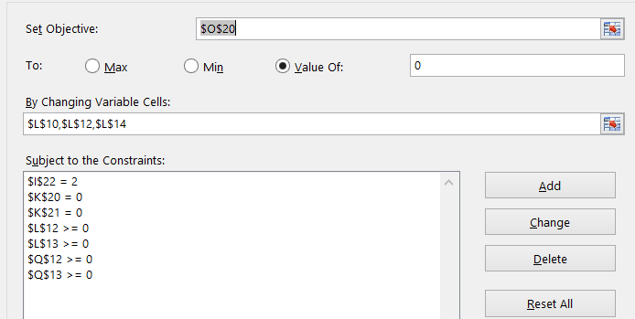
Data |  |  | Property | Standard State | Unit |  |  |  |  |  |  |  |  |  |  |  |  | T | Cp L Meth | Cp V Meth | Cp L Eth | Cp V Eth | How to decide what heat capcaity to use for constant?
Antoine's | Methanol | Ethanol | T | 298 | K |  |  |  |  |  |  |  |  |  |  |  |  | 200 | 70.0 | 36.1 | 110.7 | 48.5
A | 8.08 | 8.11 | P | 1 | bar |  |  |  |  |  |  |  |  |  |  |  |  | 210 | 70.2 | 36.9 | 108.3 | 50.3
B | 1582 | 1593 |  |  |  |  |  |  |  |  |  |  |  |  |  |  |  | 220 | 70.6 | 37.7 | 106.4 | 52.1
C | 240 | 226 |  |  |  |  |  |  |  |  |  |  |  |  |  |  |  | 230 | 71.3 | 38.5 | 105.1 | 53.8
 |  |  | 1) Set Up Feed Data |  | 2) Find Enthalpy in using standard state |  |  |  | 3)Set up exit liquid |  |  |  |  | 4) Set up exit vapor |  |  |  | 240 | 72.1 | 39.3 | 104.4 | 55.6
Liquid HC- Heat capacity? | Methanol | Ethanol |  |  |  |  |  |  | Change green values to satisfy equations |  |  |  |  |  |  |  |  | 250 | 73.2 | 40.1 | 104.3 | 57.3
A | 112 | 282 |  | Feed | Enthalpy? |  |  |  |  | Exit Liquid | Energy |  |  |  | Exit Vapor | Energy |  | 260 | 74.5 | 40.8 | 104.7 | 59.0
B | -4.3E-01 | -1.44 | State | Liquid |  |  |  |  | State | Liquid |  |  |  | State | Vapor |  |  | 270 | 76.0 | 41.6 | 105.8 | 60.7
C | 1.1E-03 | 2.9E-03 | T | 423 |  |  |  |  | T | 370.0 |  |  |  | T | 370.0 |  |  | 280 | 77.8 | 42.4 | 107.4 | 62.4
HC J/K/mol ???? | 80 | 110 | P | 20 |  |  |  |  | P | 2.00 |  |  |  | P | 2.00 |  |  | 290 | 79.7 | 43.2 | 109.6 | 64.1
Heat Vaporization kJ/mol | 35.3 | 38.6 | Me mol fraction | 0.3 |  |  |  |  | Me mol fraction | 0.28 |  |  |  | Me mol fraction | 0.39 |  |  | 300 | 81.9 | 44.0 | 112.4 | 65.7
A | 21.15 | 9.01 | Eth mol fraction | 0.7 |  |  |  |  | Eth mol fraction | 0.72 | 5) mole fracs add to 1 |  |  | Eth mol fraction | 0.61 | 6) mole fracs add to 1 |  | 310 | 84.3 | 44.8 | 115.7 | 67.4
B | 0.0709 | 0.214 | Basis (mol) | 1 |  |  |  |  | Moles | 0.84 |  |  |  | Moles | 0.16 | 7) total moles add to 1 |  | 320 | 86.9 | 45.6 | 119.7 | 69.0
C | 2.6E-05 | -8.4E-05 | Me moles | 0.3 | 3000 | J |  |  | Me moles | 0.24 | 1382 | J |  | Me moles | 0.06 | 2309 | J | 330 | 89.7 | 46.3 | 124.2 | 70.6
D | -2.9E-08 | 1.4E-09 | Eth moles | 0.7 | 9625 | J |  |  | Eth moles | 0.60 | 4786 | J |  | Eth moles | 0.10 | 4148 | J | 340 | 92.7 | 47.1 | 129.3 | 72.2
HC J/K/mol ???? | 44 | 66 | Total |  | 12625 | J |  |  | Total |  | 6168 | J |  | Total |  | 6457 | J | 350 | 96.0 | 47.9 | 135.0 | 73.7
 |  |  |  |  |  |  |  |  |  |  |  |  |  |  |  |  |  | 360 | 99.5 | 48.7 | 141.2 | 75.3
 |  |  | 8) Exit pressure is set to 2 bar |  |  |  | X*Psat | Yi*P | X*Psat-Yi*P = 0 |  |  |  |  |  |  |  |  | 370 | 103.2 | 49.5 | 148.1 | 76.8
 |  |  | P meth | Xme*Psat | Psat Me | 3.21 | 0.771 | 0.771 | 0.00 |  |  | Ein - Eout = | -0.5 | 10) Want it to equal zero |  |  |  | 380 | 107.1 | 50.3 | 155.5 | 78.3
 |  |  | P eth | Xeth*Psat | Psat Eth | 2.03 | 1.229 | 1.229 | 0.00 |  |  |  |  |  |  |  |  | 390 | 111.2 | 51.1 | 163.5 | 79.8
 |  |  | P = Psat,me + Psat,eth |  |  |  | 2.00 | bar |  |  |  |  |  |  |  |  |  | 400 | 115.5 | 51.8 | 172.1 | 81.3
 |  |  |  |  |  |  |  |  |  |  |  |  |  |  |  |  |  | 410 | 120.1 | 52.6 | 181.2 | 82.8
 |  |  |  |  |  | 9) Must equal 2 ?? |  | Change outlet pressure but answer does not change? |  |  |  |  |  |  |  |  |  | 420 | 124.9 | 53.4 | 191.0 | 84.2
 |  |  |  |  |  |  |  |  |  |  |  |  |  |  |  |  |  | 430 | 129.9 | 54.2 | 201.3 | 85.7
 |  |  |  |  |  |  |  |  |  |  |  |  |  |  |  |  |  | 440 | 135.1 | 54.9 | 212.2 | 87.1

Directions
Problem Statement:
A mixture of 30 % Methanol and 70% Ethanol is fed to an adiabatic flash drum. |  |  |  |  |  |  |  |  | Vapor Data | Values | Units
The feed temperature is at 150 degrees celsius and 20 bar pressure. The exiting |  |  |  |  |  |  |  |  | T | T-vapor | K
streams leave at 2 bar pressure in VLE. What is the temperature, composition, |  |  |  |  |  |  |  |  | P | 2 | bar
and moles out of the exiting streams? |  |  |  |  |  |  |  |  | Ym | ??
 |  |  |  |  |  |  |  |  | Psat m | ?? | bar
1) Set up initial diagram: |  |  |  |  |  |  |  |  | Ye | ??
 |  |  |  |  |  |  |  | Vapor out ----> | Psat e | ?? | bar
Feed Data | Values | Units |  |  |  |  |  |  | Vapor Moles | ?? | mol
T | 423 | K |  |  |  |  |  |  | Vapor Methanol E | ?? | J
P | 20 | bar | Liquid in---------> |  | Flash Drum |  |  |  | Vapor Ethanol E | ?? | J
Zm | 0.3 |  |  |  |  |  |  |  | Total Vapor E | Vapor Methanol E + Vapor Ethano E | J
Ze | 0.7
Feed Moles | ?? | mol |  |  |  |  |  |  | Liquid Data | Values | Units
Feed Methanol E | ?? | J |  |  |  |  |  | Liquid out----> | T | T-liquid | K
Feed Ethanol E | ?? | J |  |  |  |  |  |  | P | 2 | bar
Total Feed E | Meth Feed E + Eth Feed E | J |  |  |  |  |  |  | Xm | ??
 |  |  |  |  |  |  |  |  | Xe | ??
 |  |  |  |  |  |  |  |  | Liquid Moles | ?? | mol
 |  |  |  |  |  |  |  |  | Liquid Methanol E | ?? | J
2) Assumptions |  |  |  |  |  |  |  |  | Liquid Ethanol E | ?? | J
Ideal VLE |  |  |  |  |  |  |  |  | Total Liquid E | Meth Liquid E + Eth Liquid E | J
No heat of mixing

3) Identify Unknowns:
T-vapor | Ym | Feed Methanol E | Vapor Methanol E | Liquid Methanol E | Psat e
T-liquid | Ye | Feed Ethanol E | Vapor Ethanol E | Liquid Ethanol E | Psat m
Feed moles | Xm | Total Feed E | Total Vapor E | Total E
Liquid moles | Xe
Vapor Moles

Total | 20

4) Equations: |  |  |  |  |  | Number
Set a basis 1 mole entering the flash drum |  |  |  |  |  | 1
Mass in = Mass out
 | Total | Moles Feed = Moles Vapor + Moles Lquid |  |  |  | 2
 | Ethanol | Moles Ethanol in Feed = Moles Ethanol in Vapor + Moles Ethanol in Liquid |  |  |  | 3
Mole fractions add to 1
 | Xe + Xm = 1 |  |  |  |  | 4
 | Ye + Ym = 1 |  |  |  |  | 5
Energy balances (Set standard state to 298 K, 1 bar, Liquid)
 | Feed Methanol E = CP(methanol,liquid)*Zm*Feed Moles*(T-Feed - T standarad state) |  |  |  |  | 6
 | Feed Methanol E = CP(ethanol,liquid)*Ze*Feed Moles*(T-Feed - T standarad state) |  |  |  |  | 7
 | Feed energy = Feed Methanol E + Feed Ethanol E |  |  |  |  | 8
 | Liquid Methanol E = CP(methanol,liquid)*Xm*Liquid Moles*(T-liquid - T standarad state) |  |  |  |  | 9
 | Liquid Methanol E = CP(ethanol,liquid)*Xe*Liquid Moles*(T-liquid - T standarad state) |  |  |  |  | 10
 | Liquid energy = Liquid Methanol E + Liquid Ethanol E |  |  |  |  | 11
 | Vapor Methanol E = Heat of Vaporization*Ym*Vapor Moles + CP(methanol,vapor)*Ym*Vapor Moles*(T-vapor - T standarad state) |  |  |  |  | 12
 | Vapor Ethanol E = Heat of Vaporization*Ye*Vapor Moles + CP(ethanol,vapor)*Ye*Vapor Moles*(T-vapor - T standarad state) |  |  |  |  | 13
 | Vapor energy = Vapor Methanol E + Vapor Ethanol E |  |  |  |  | 14
 | Enthalpy of feed = Enthalpy of liquid + Enthalpy of vapor |  |  |  |  | 15
Temperature leaving is the same (equilibrium)
 | T-vapor = T-liquid |  |  |  |  | 16
Raoult's Law on both componenets
 | Psat m using Anointe's |  |  |  |  | 17
 | Psat e using Antoine's |  |  |  |  | 18
 | Xe*Psat(ethanol) = Ye*P |  |  |  |  | 19
 | Xm*Psat(methanol) = Ym*P |  |  |  |  | 20

Total | 20 | equations

5) Intermediate Steps
Finding CP values, using values in the back of the book

Liquid HC | Methanol | Ethanol
A | 111.7 | 281.6
B | -0.43 | -1.435
C | 1.09E-03 | 2.90E-03
Vapor HC | Methanol | Ethnaol
A | 21.15 | 9.01
B | 0.0709 | 0.214
C | 2.59E-05 | -8.39E-05
D | -2.85E-08 | 1.37E-09

We know we are operating between 423 K and that we will be cooling the system as we flash
Using the values in the back of the book
T | Cp L Meth | Cp V Meth | Cp L Eth | Cp V Eth
300 | 81.9 | 43.98426 | 112.4 | 65.7
310 | 84.3 | 44.8 | 115.7 | 67.4
320 | 86.9 | 45.6 | 119.7 | 69.0
330 | 89.7 | 46.3 | 124.2 | 70.6
340 | 92.7 | 47.1 | 129.3 | 72.2
350 | 96.0 | 47.9 | 135.0 | 73.7
360 | 99.5 | 48.7 | 141.2 | 75.3
370 | 103.2 | 49.5 | 148.1 | 76.8
380 | 107.1 | 50.3 | 155.5 | 78.3
390 | 111.2 | 51.1 | 163.5 | 79.8
400 | 115.5 | 51.8 | 172.1 | 81.3
410 | 120.1 | 52.6 | 181.2 | 82.8
420 | 124.9 | 53.4 | 191.0 | 84.2
430 | 129.9 | 54.2 | 201.3 | 85.7
440 | 135.1 | 54.9 | 212.2 | 87.1
Average | 110 | 52 | 165 | 80

 | Ethnaol | Methanol | Units | Cell Names | Ethnaol | Methanol
Liquid | 165 | 110 | J/(K*mol) | Liquid | CPLE | CPLM
Vapor | 80 | 52 | J/(K*mol) | Vapor | CPVE | CPVM
Heat of Vaporization | 38.6 | 35.3 | KJ/mol | Heat of Vaporization | HOVE | HOVM

Antoine's Constants | Methanol | Ethanol |  | Cell Names
A | 8.08 | 8.11 |  | A | a_m | a_e
B | 1582 | 1593 |  | B | b_m | b_e
C | 240 | 226 |  | C | c_m | c_e

Note: T is in Celsius and P is in mmHg
750.1 mmHg = 1 Bar

6) Reset up the data tables with the equations integrated included |  |  | Standard State | T | 298 | K
 |  |  |  | P | 1 | bar
The highlighted green are calculated values |  |  |  | Phase | Liquid
The blue highlighted cells are parameters that can be changed
The yellow highlighted cells are guess input values |  |  |  | Outlet liquid |  |  |  | Outlet vapor
Feed Data | Values | Units | Equation/Given | Liquid Data | Values | Units | Equation/Given/Guessed | Vapor Data | Values | Units | Equation/Given
T | 423 | K | Given | T | 365.3 | K | Guessed | T | 365.3 | K | #16
P | 20 | bar | Given | P | 2.00 | bar | Given | P | 2.00 | bar | Given
Zm | 0.30 |  | Given | Xm | 0.273 |  | Guessed | Ym | 0.375 |  | #3
Ze | 0.70 |  | Given | Xe | 0.727 |  | #4 | Psat m | 2.752 | bar | #17
Feed Moles | 1 | mol | #1 | Liquid Moles | 0.735 | mol | Guessed | Ye | 0.625 |  | #5
Feed Methanol E | 4125 | J | #6 | Liquid Methanol E | 1483 | J | #9 | Psat e | 1.72 | bar | #18
Feed Ethanol E | 14437 | J | #7 | Liquid Ethanol E | 5929 | J | #10 | Vapor Moles | 0.265 | mol | #2
Total Feed E | 18563 | J | #8 | Total Liquid E | 7412 | J | #11 | Vapor Methanol E | 3863 | J | #12
 |  |  |  |  |  |  |  | Vapor Ethanol E | 7287 | J | #13
Additional Equations |  | Formula | Note |  |  |  |  | Total Vapor E | 11151 | J | #14
Ethanol VLE | #19 | 0.00 | Xm*Psatm - Ym*P = 0, restraint equal to 0
Methanol VLE | #20 | 0.00 | Xe*Psate - Ye*P = 0, restraint equal to 0
Energy Balance | #15 | 0.00 | Feed E - Liquid E - Vapor E = 0, target cell in solver, set equal to zero (0 because it is adiabatic) |  |  |  | Instructions
 |  |  |  |  |  |  | Guess Values for T, less than 423
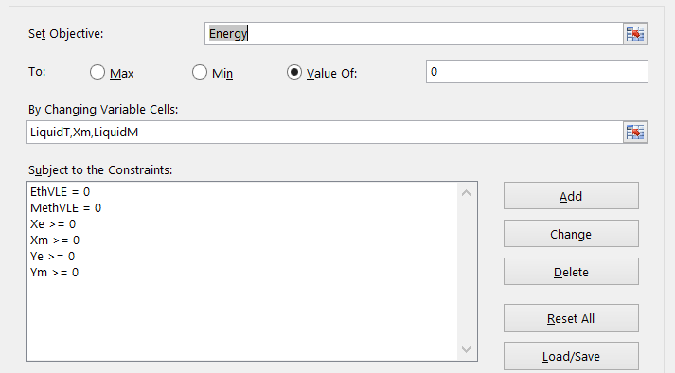
 |  |  |  |  |  |  | Guess Xm, between 0 and 1
 |  |  |  |  |  |  | Guess Liquid moles between 0 and 1
 |  |  |  |  |  |  | Add all the formulas to the given Cells
 |  |  |  |  |  |  | Then fill out the solver sheet as shown to the left
 |  |  |  |  |  |  | Solve and make sure the constraints are in place

Formulas Shown Below

